Table5.Fatty Liver Index Check
Table5. Fatty Liver Index Check

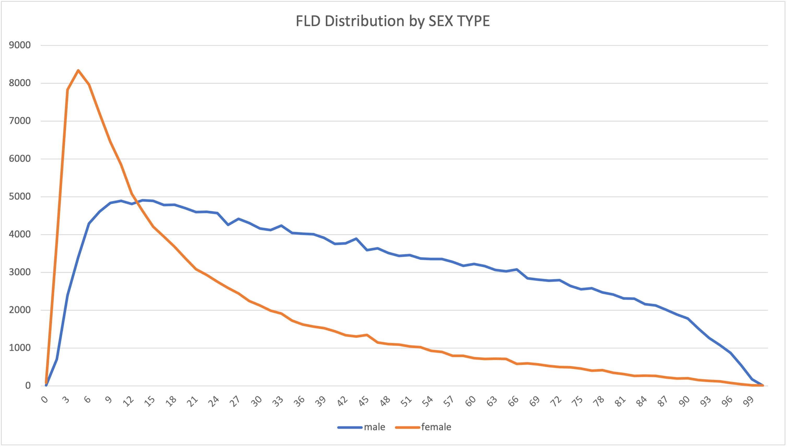
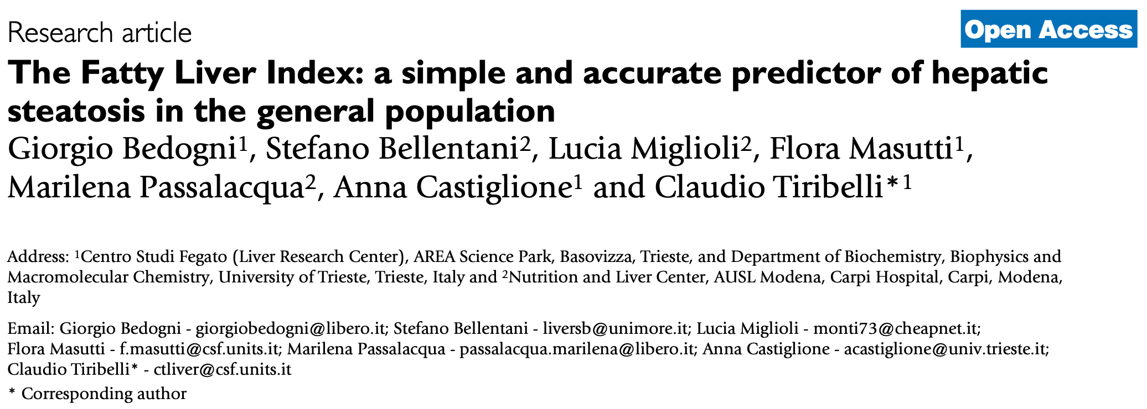

남성 평균 : 42
여성평균 : 23.2

Cut Off : FLI ≥ 60

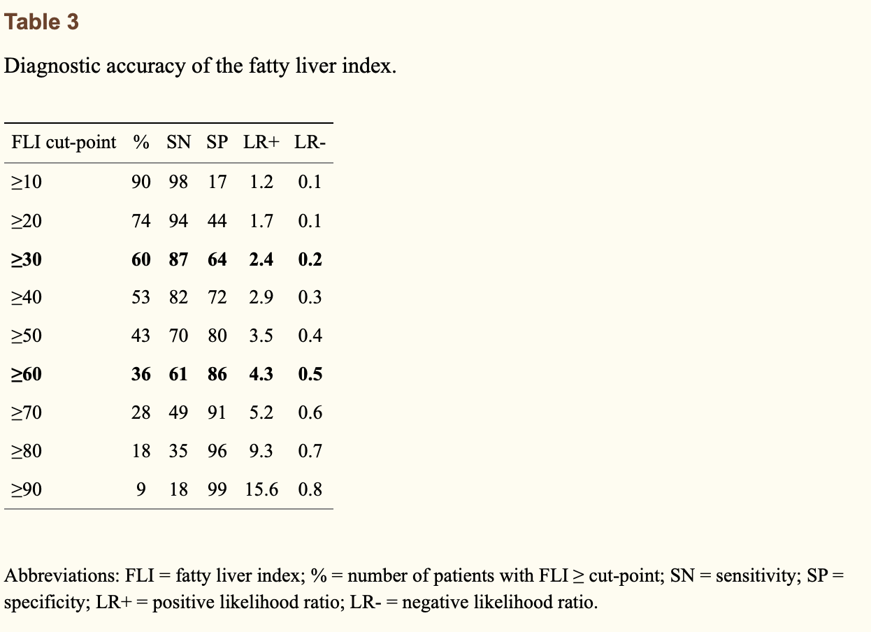

Characteristics (n = 514,095) |  | Male (n = 320,856) |  |  | Female (n = 193,239)

 |  | n | row% | col% | n | row% | col%
AGE | Fatty Liver Index
40-49 | <30 | 32,095 | 38.55 | 51.36 | 30,392 | 84.23 | 48.64
<30: 40%
 | 30-60 | 27,522 | 33.06 | 87.06 | 4,092 | 11.34 | 12.94
 | ≥60 | 23,641 | 28.39 | 93.66 | 1,600 | 4.43 | 6.34
50-59 | <30 | 26,349 | 35.92 | 44.87 | 32,370 | 48.82 | 55.13
 | 30-60 | 25896 | 35.3 | 73.6 | 9289 | 14.01 | 26.4
 | ≥60 | 21107 | 28.77 | 46.13 | 24645 | 37.17 | 53.87
30-60 : 30%
60-69 | <30 | 16080 | 39.71 | 46.31 | 18643 | 62.27 | 53.69
 | 30-60 | 14514 | 35.84 | 63.54 | 8327 | 27.81 | 36.46
 | ≥60 | 9904 | 24.46 | 76.94 | 2969 | 9.92 | 23.06
70-79 | <30 | 7412 | 47.29 | 66.44 | 3744 | 29.87 | 33.56
 | 30-60 | 5237 | 33.41 | 41.59 | 7354 | 58.66 | 58.41
≥60: 30%
 | ≥60 | 3024 | 19.29 | 67.77 | 1438 | 11.47 | 32.23
80+ | <30 | 955 | 60.87 | 52.21 | 874 | 67.91 | 47.79
 | 30-60 | 434 | 27.66 | 57.87 | 316 | 24.55 | 42.13
 | ≥60 | 180 | 11.47 | 64.98 | 97 | 7.54 | 35.02
Total | <30 | 82,891 | 38.67 | 39.65 | 86,023 | 58.86 | 60.35
 | 30-60 | 73,603 | 34.34 | 63.08 | 29,378 | 20.1 | 36.92
 | ≥60 | 57,856 | 26.99 | 56.19 | 30,749 | 21.04 | 43.81

ALC | Non-Alcoholic | 104402 | 70.08 | 75.35 | 34158 | 90.21 | 24.65
 | Alcoholic | 44576 | 29.92 | 92.32 | 3708 | 9.79 | 7.68

*unknown 데이터가 제외된 수치입니다.

